DIV
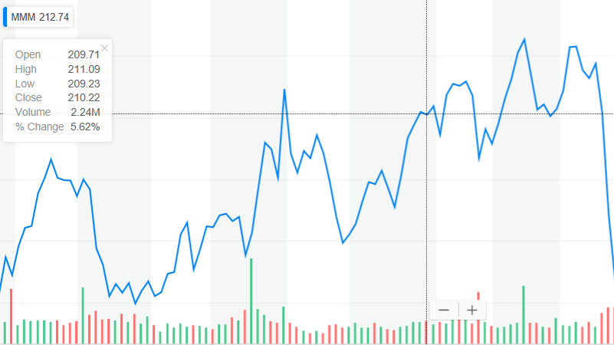
Dividends
2013 | 2.54 |  |  |  |  |  | growth rate derived form historical
2014 | 3.42 | 34.65% | 135% |  |  |  | ROE x plowback
2015 | 4.1 | 19.88% | 120% |  |  |  | industry growth rates
2016 | 4.44 | 8.29% | 108%
2017 | 4.7 | 5.86% | 106%
2018 | 5.44 | 15.74% | 116%
 | 19.42% | <-Cagr | 16.45% | <- Geomean | year 1 | year2 | year3 | Perpetuity | Industry growth rate
 |  |  |  |  | 6.10467224 | 6.850555727 | 7.687573047 | 252.6160916 | 3%
DGM Require rate | 6.42% | Yield from dividends + yeild from dividend over price |  |  |  |  |  |  | https://www.capitaliq.com/CIQDotNet/Lists/KeyStats.aspx?listObjectId=100884976

 |  |  |  |  |  |  | Growth rate derived form historical data from past 5 years
DGM | 273.2588926 |  | -49.96 |  |  |  | Dividned growth required rate
 |  |  |  |  |  |  | dividend growth model then showed true value
Price per share 10/12/18 | 196.99 |  |  |  |  |  | We found that the price of 3M shares are undervalued
 |  |  |  |  |  |  |  |  |  | 1.282364611
 | -76.269 | Undervalued

